topography
Storage Tank | x(m) | y(m) | Height(m) | Length of one side pipe(m) | water pressure (Pa) | velocity(m/s) | Flow rate, Q(L/min) | Total pipe length (m) | Constants
Option 1 | -11 | -6 | 2.5 | 12.776932339 | 85347 | 2.017 | 38.026 | 25.554 | Cf (no filter from tank to house) | 0
Option 2 | -8 | 42 | 7.5 | 43.407948581 | 134397 | 1.506 | 28.387 | 86.816
Option 3 | 37 | 2 | 5 | 37.389838192 | 109872 | 1.457 | 27.469 | 74.780 | water density (kg/m^3) | 1000
 |  |  |  |  |  |  |  |  | g (m/s^2) | 9.81
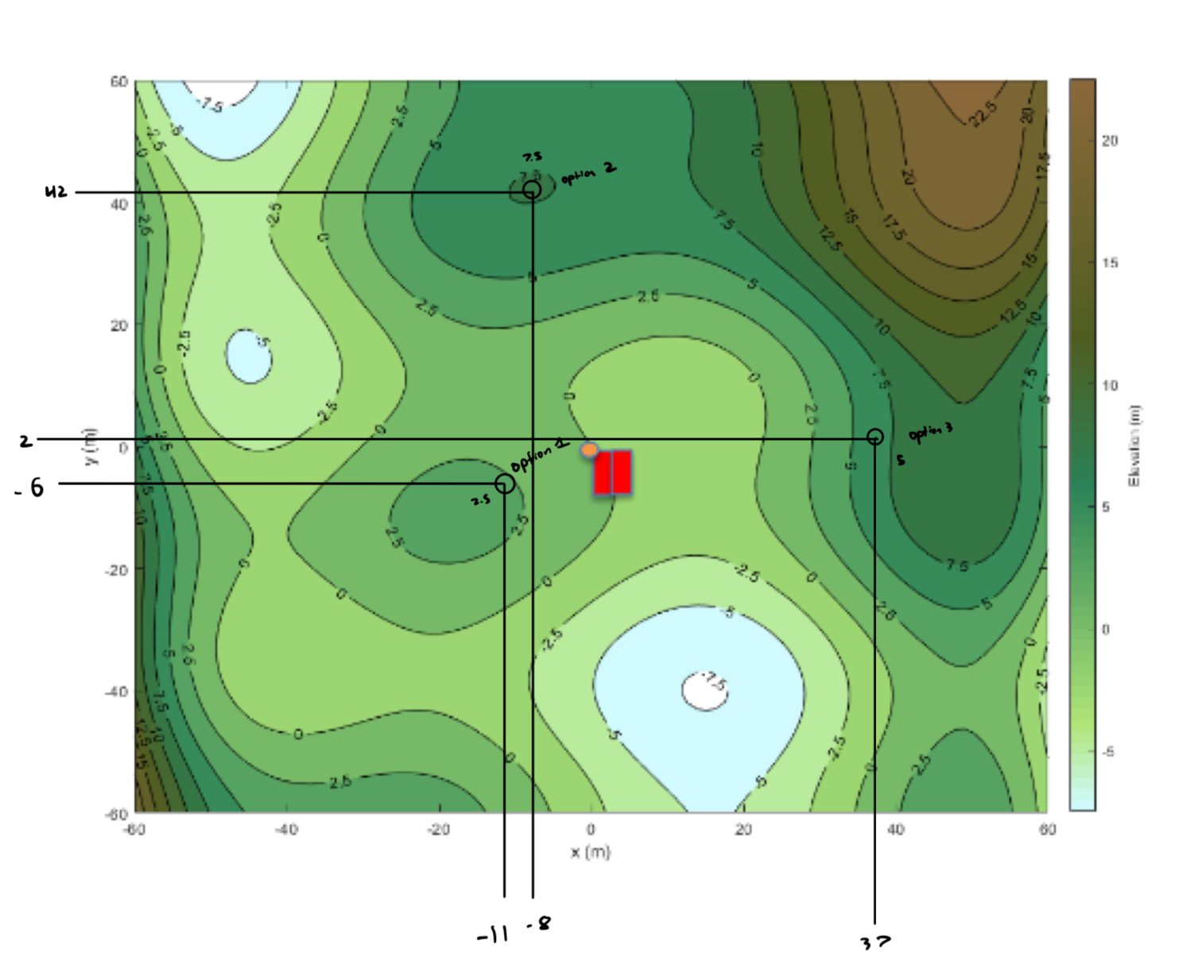
 |  |  |  |  |  |  |  |  | Diameter of Pipe (mm) | 20
 |  |  |  |  |  |  |  |  | Friction factor, f | 0.05
 |  |  |  |  |  |  |  |  | Loss coefficient, K | 10
 |  |  |  |  |  |  |  |  | Filter coefficient | 0
 |  |  |  |  |  |  |  |  | Area of pipe (m^2) | 0.00031415926536

cf value exp
# | Initial Water Level | Height of Filter Level | Height difference (h) | Pressure (ρgh) | Collected Volume | Time | Flow Rate | Velocity |  | Pipe diameter (D) | 0.01 | m
/ | [cm] | [cm] | [m] | [Pa] | [mL/cm^3] | [s] | [LPM] | [m/s] |  | g | 9.81
1 | 0 | 30 | 0.3 | 2943 | 200 | 29.11 | 0.41222947441 | 0.087477811387 |  | ρ | 1000
2 | 0 | 40 | 0.4 | 3924 | 200 | 25.27 | 0.474871389 | 0.10077083852 |  | f
3 | 0 | 50 | 0.5 | 4905 | 200 | 22.09 | 0.54323223178 | 0.11527745991
4 | 0 | 60 | 0.6 | 5886 | 200 | 20.06 | 0.59820538385 | 0.1269431251
5 | 0 | 70 | 0.7 | 6867 | 200 | 18.4 | 0.65217391304 | 0.13839560269
6 | 0 | 80 | 0.8 | 7848 | 200 | 17.14 | 0.70011668611 | 0.14856937511
7 | 0 | 90 | 0.9 | 8829 | 200 | 16.27 | 0.73755377996 | 0.15651377317
8 | 0 | 100 | 1 | 9810 | 200 | 14.8 | 0.81081081081 | 0.17205939794 | Cfexp | 14644
9 | 0 | 110 | 1.1 | 10791 | 200 | 13.84 | 0.86705202312 | 0.18399415386

 | Pressure (ρgh) [Pa]
0.08747781139 | 2943
0.1007708385 | 3924
0.1152774599 | 4905
0.1269431251 | 5886
0.1383956027 | 6867
0.1485693751 | 7848
0.1565137732 | 8829
0.1720593979 | 9810
0.1839941539 | 10791

solar energy model
 | Energy In [Wh] | Energy Out [Wh] | Ebatt [Wh]
1 | 7197.12 | 3125 | 8000
2 | 7197.12 | 3125 | 8000
3 | 7197.12 | 3125 | 8000
4 | 7197.12 | 3125 | 8000
5 | 7197.12 | 3125 | 8000
6 | 7197.12 | 3125 | 8000
7 | 7197.12 | 3125 | 8000
8 | 7197.12 | 3125 | 8000
9 | 7197.12 | 3125 | 8000
10 | 7197.12 | 3125 | 8000
11 | 7197.12 | 3125 | 8000
12 | 7197.12 | 3125 | 8000
13 | 7197.12 | 3125 | 8000
14 | 7197.12 | 3125 | 8000
15 | 7197.12 | 3125 | 8000
16 | 7197.12 | 3125 | 8000
17 | 7197.12 | 3125 | 8000
18 | 7197.12 | 3125 | 8000
19 | 7197.12 | 3125 | 8000
20 | 7197.12 | 3125 | 8000
21 | 7197.12 | 3125 | 8000
22 | 7197.12 | 3125 | 8000
23 | 7197.12 | 3125 | 8000
24 | 7197.12 | 3125 | 8000
25 | 7197.12 | 3125 | 8000
26 | 7197.12 | 3125 | 8000
27 | 7197.12 | 3125 | 8000
28 | 7197.12 | 3125 | 8000
29 | 7197.12 | 3125 | 8000
30 | 7197.12 | 3125 | 8000
31 | 7197.12 | 3125 | 8000
1 | 6488.832 | 3208.3333333 | 8000
2 | 6488.832 | 3208.3333333 | 8000
3 | 6488.832 | 3208.3333333 | 8000
4 | 6488.832 | 3208.3333333 | 8000
5 | 6488.832 | 3208.3333333 | 8000
6 | 6488.832 | 3208.3333333 | 8000
7 | 6488.832 | 3208.3333333 | 8000
8 | 6488.832 | 3208.3333333 | 8000
9 | 6488.832 | 3208.3333333 | 8000
10 | 6488.832 | 3208.3333333 | 8000
11 | 6488.832 | 3208.3333333 | 8000
12 | 6488.832 | 3208.3333333 | 8000
13 | 6488.832 | 3208.3333333 | 8000
14 | 6488.832 | 3208.3333333 | 8000
15 | 6488.832 | 3208.3333333 | 8000
16 | 6488.832 | 3208.3333333 | 8000
17 | 6488.832 | 3208.3333333 | 8000
18 | 6488.832 | 3208.3333333 | 8000
19 | 6488.832 | 3208.3333333 | 8000
...
Solar Energy Model
 |  |  |  |  |  |  | Constants | HES-260 | SW-80 | HES-305P
Sunshine Data |  |  | Solar and Solar Panel Parameters |  |  |  | Area (m2) | 1.6 | 0.62 | 2
Month | Sunshine/day |  | Solar Intensity | 350 | W/m^2 |  | Cost | 500 | 205 | 450
[-] | [hr] |  | Panel area | 1.6 | m^2 |  | Efficiency | 0.17 | 0.15 | 0.13
Jan | 8.50 |  | # of panels | 2 |  |  | GHG (kg) | 496 | 192 | 620
Feb | 10.00 |  | Efficiency | 0.17
Mar | 11.80 |  | Batteries |  |  |  | Converter
Apr | 13.60 |  | Capacity | 2000 | Wh |  | Cost | 2369
May | 15.30 |  | # of batteries | 1 |  |  | Efficiency | 0.92
Jun | 16.00 |  | Efficiency | 0.96 |  |  | Emissions | 100 | kg
Jul | 15.75 |  | Electrical Power Demand
Aug | 14.20 |  | Use per day | 24 | hours
Sep | 12.50 |  | Daytime | 200 | W
Oct | 10.75 |  | Nighttime | 50 | W
Nov | 9.00
Dec | 8.25
 |  |  |  |  |  |  | Energy Needed
Day | Month | Date | Daily Sunshine | Incident Solar Energy | Energy Generated | Energy In | By Pump | By UV Filter | By Ozone | Energy Out | Ebatt | 139
[-] | [-] | [-] | [hr] | [Wh] | [Wh] | [Wh] | [Wh] | [Wh] | [Wh] | [Wh] | [Wh]
1 | Jan | 1 | 8.5 | 9520 | 1618 | 1554 | 206.90 | 0 | 5222.22 | 6147 | 2000
2 | Jan | 2 | 8.5 | 9520 | 1618 | 1554 | 217.91 | 0 | 5500.00 | 6474 | 0
3 | Jan | 3 | 8.5 | 9520 | 1618 | 1554 | 0.00 | 0 | 0.00 | 0 | 0
4 | Jan | 4 | 8.5 | 9520 | 1618 | 1554 | 0.00 | 0 | 0.00 | 0 | 1554
5 | Jan | 5 | 8.5 | 9520 | 1618 | 1554 | 0.00 | 0 | 0.00 | 0 | 2000
6 | Jan | 6 | 8.5 | 9520 | 1618 | 1554 | 55.03 | 0 | 1388.89 | 1635 | 2000
7 | Jan | 7 | 8.5 | 9520 | 1618 | 1554 | 224.51 | 0 | 5666.67 | 6670 | 1919
8 | Jan | 8 | 8.5 | 9520 | 1618 | 1554 | 272.94 | 0 | 6888.89 | 8109 | 0
9 | Jan | 9 | 8.5 | 9520 | 1618 | 1554 | 275.14 | 0 | 6944.44 | 8174 | 0
10 | Jan | 10 | 8.5 | 9520 | 1618 | 1554 | 275.14 | 0 | 6944.44 | 8174 | 0
11 | Jan | 11 | 8.5 | 9520 | 1618 | 1554 | 158.48 | 0 | 4000.00 | 4708 | 0
12 | Jan | 12 | 8.5 | 9520 | 1618 | 1554 | 275.14 | 0 | 6944.44 | 8174 | 0
13 | Jan | 13 | 8.5 | 9520 | 1618 | 1554 | 105.65 | 0 | 2666.67 | 3139 | 0
14 | Jan | 14 | 8.5 | 9520 | 1618 | 1554 | 63.83 | 0 | 1611.11 | 1896 | 0
15 | Jan | 15 | 8.5 | 9520 | 1618 | 1554 | 17.61 | 0 | 444.44 | 523 | 0
16 | Jan | 16 | 8.5 | 9520 | 1618 | 1554 | 8.80 | 0 | 222.22 | 262 | 1031
17 | Jan | 17 | 8.5 | 9520 | 1618 | 1554 | 0.00 | 0 | 0.00 | 0 | 2000
18 | Jan | 18 | 8.5 | 9520 | 1618 | 1554 | 28.61 | 0 | 722.22 | 850 | 2000
19 | Jan | 19 | 8.5 | 9520 | 1618 | 1554 | 11.01 | 0 | 277.78 | 327 | 2000
20 | Jan | 20 | 8.5 | 9520 | 1618 | 1554 | 6.60 | 0 | 166.67 | 196 | 2000
21 | Jan | 21 | 8.5 | 9520 | 1618 | 1554 | 8.80 | 0 | 222.22 | 262 | 2000
22 | Jan | 22 | 8.5 | 9520 | 1618 | 1554 | 6.60 | 0 | 166.67 | 196 | 2000
23 | Jan | 23 | 8.5 | 9520 | 1618 | 1554 | 0.00 | 0 | 0.00 | 0 | 2000
24 | Jan | 24 | 8.5 | 9520 | 1618 | 1554 | 0.00 | 0 | 0.00 | 0 | 2000
25 | Jan | 25 | 8.5 | 9520 | 1618 | 1554 | 0.00 | 0 | 0.00 | 0 | 2000
26 | Jan | 26 | 8.5 | 9520 | 1618 | 1554 | 0.00 | 0 | 0.00 | 0 | 2000
27 | Jan | 27 | 8.5 | 9520 | 1618 | 1554 | 193.70 | 0 | 4888.89 | 5755 | 2000
28 | Jan | 28 | 8.5 | 9520 | 1618 | 1554 | 0.00 | 0 | 0.00 | 0 | 0
29 | Jan | 29 | 8.5 | 9520 | 1618 | 1554 | 0.00 | 0 | 0.00 | 0 | 1554
30 | Jan | 30 | 8.5 | 9520 | 1618 | 1554 | 0.00 | 0 | 0.00 | 0 | 2000
31 | Jan | 31 | 8.5 | 9520 | 1618 | 1554 | 28.61 | 0 | 722.22 | 850 | 2000
32 | Feb | 1 | 10 | 11200 | 1904 | 1828 | 28.61 | 1200 | 722.22 | 2100 | 2000
33 | Feb | 2 | 10 | 11200 | 1904 | 1828 | 0.00 | 1200 | 0.00 | 1250 | 1728
34 | Feb | 3 | 10 | 11200 | 1904 | 1828 | 0.00 | 1200 | 0.00 | 1250 | 2000
35 | Feb | 4 | 10 | 11200 | 1904 | 1828 | 0.00 | 1200 | 0.00 | 1250 | 2000
36 | Feb | 5 | 10 | 11200 | 1904 | 1828 | 0.00 | 1200 | 0.00 | 1250 | 2000
37 | Feb | 6 | 10 | 11200 | 1904 | 1828 | 0.00 | 1200 | 0.00 | 1250 | 2000
38 | Feb | 7 | 10 | 11200 | 1904 | 1828 | 0.00 | 1200 | 0.00 | 1250 | 2000
39 | Feb | 8 | 10 | 11200 | 1904 | 1828 | 0.00 | 1200 | 0.00 | 1250 | 2000
40 | Feb | 9 | 10 | 11200 | 1904 | 1828 | 134.27 | 1200 | 3388.89 | 5239 | 2000
41 | Feb | 10 | 10 | 11200 | 1904 | 1828 | 147.47 | 1200 | 3722.22 | 5631 | 0
42 | Feb | 11 | 10 | 11200 | 1904 | 1828 | 275.14 | 1200 | 6944.44 | 9424 | 0
43 | Feb | 12 | 10 | 11200 | 1904 | 1828 | 184.89 | 1200 | 4666.67 | 6743 | 0
...

TEST CASE
...
Energy for UV | Total Energy for Day | Diesel Fuel
[MJ] | [MJ] | [L] | 283.32183274
3.1104 | 22.3882 | 1.6724035714
3.1104 | 23.4137
3.1104 | 3.1104 | 0.22217142857
3.1104 | 3.1104 | 0.22217142857
3.1104 | 3.1104 | 0.22217142857
Daily Rainfall (mm) and V_water
 | [mm] | [m^3]
1/1/14 | 18.8 | 0.4
1/2/14 | 19.8 | 0.4
1/3/14 | 0 | 0
1/4/14 | 0 | 0
1/5/14 | 0 | 0
1/6/14 | 5 | 0.4
1/7/14 | 20.4 | 0.4
1/8/14 | 24.8 | 0.4
1/9/14 | 34 | 0.4
1/10/14 | 44.6 | 0.4
1/11/14 | 14.4 | 0.4
1/12/14 | 50.2 | 0.4
1/13/14 | 9.6 | 0.4
1/14/14 | 5.8 | 0.4
1/15/14 | 1.6 | 0.16
1/16/14 | 0.8 | 0.08
1/17/14 | 0 | 0
1/18/14 | 2.6 | 0.26
1/19/14 | 1 | 0.1
1/20/14 | 0.6 | 0.06
1/21/14 | 0.8 | 0.08
1/22/14 | 0.6 | 0.06
1/23/14 | 0 | 0
1/24/14 | 0 | 0
1/25/14 | 0 | 0
1/26/14 | 0 | 0
1/27/14 | 17.6 | 0.4
1/28/14 | 0 | 0
1/29/14 | 0 | 0
1/30/14 | 0 | 0
1/31/14 | 2.6 | 0.26
2/1/14 | 2.6 | 0
2/2/14 | 0 | 0
2/3/14 | 0 | 0
2/4/14 | 0 | 0
2/5/14 | 0 | 0
2/6/14 | 0 | 0
2/7/14 | 0 | 0
2/8/14 | 0 | 0
2/9/14 | 12.2 | 0.4
2/10/14 | 13.4 | 0.4
2/11/14 | 46.6 | 0.4
2/12/14 | 16.8 | 0.4
2/13/14 | 15.6 | 0.4
2/14/14 | 3 | 0.3
2/15/14 | 11.6 | 0.4
2/16/14 | 19 | 0.4
2/17/14 | 9.2 | 0.4
2/18/14 | 12.6 | 0.4
2/19/14 | 21.8 | 0.4
...
3.1104 | 8.2375 | 0.58839166667
3.1104 | 24.0289 | 1.71635
3.1104 | 28.5407 | 2.0386238095
3.1104 | 37.9746 | 2.7124690476
3.1104 | 48.8440 | 3.4888559524
3.1104 | 17.8764 | 1.2768857143
3.1104 | 54.5863 | 3.899022619
3.1104 | 12.9544 | 0.92531428571
3.1104 | 9.0578 | 0.64698690476
3.1104 | 4.7511 | 0.33936190476
3.1104 | 3.9307 | 0.28076666667
3.1104 | 3.1104 | 0.22217142857
3.1104 | 5.7765 | 0.41260595238
3.1104 | 4.1358 | 0.29541547619
3.1104 | 3.7257 | 0.26611785714
3.1104 | 3.9307 | 0.28076666667
3.1104 | 3.7257 | 0.26611785714
3.1104 | 3.1104 | 0.22217142857
3.1104 | 3.1104 | 0.22217142857
3.1104 | 3.1104 | 0.22217142857
3.1104 | 3.1104 | 0.22217142857
3.1104 | 21.1577 | 1.5112666667
3.1104 | 3.1104 | 0.22217142857
3.1104 | 3.1104 | 0.22217142857
3.1104 | 3.1104 | 0.22217142857
3.1104 | 5.7765 | 0.41260595238
3.1104 | 5.7765 | 0.41260595238
3.1104 | 3.1104 | 0.22217142857
3.1104 | 3.1104 | 0.22217142857
...

TEST CASE 2
Pump A | Pump B | Pump C |  | Constants |  | Delta v [m/s] | 0.1
-0.0172 | -0.0039 | -0.0151 |  | Length of pipe (m) | 10
-0.3605 | -0.096 | -0.5516 |  | Height of storage tank (m) | 7
150.9 | 237.86 | 356.8 |  | Density of water (kg/m^3) | 1000
0.7 | 0.94 | 0.72 |  | g (m/s^2) | 9.8
0.39 | 0.85 | 0.55 |  | Diameter (mm) | 20
 |  |  |  | Friction factor, f | 0.05
 |  |  |  | Loss coefficient, K | 0
Storage Tank (system) Pressure, Pump A, Pump B, and Pump C Pressure
 | Pump A | Pump B | Pump C | System
0 | 150.15936092 | 237.66518734 | 355.70660733 | 68.6
1.8849555922 | 149.29649666 | 237.44266083 | 354.50591231 | 68.725
3.7699111843 | 148.31140721 | 237.19242047 | 353.19791496 | 69.1
5.6548667765 | 147.20409259 | 236.91446626 | 351.78261527 | 69.725
7.5398223686 | 145.97455278 | 236.6087982 | 350.26001324 | 70.6
9.4247779608 | 144.6227878 | 236.27541629 | 348.63010887 | 71.725
11.309733553 | 143.14879763 | 235.91432054 | 346.89290216 | 73.1
13.194689145 | 141.55258228 | 235.52551093 | 345.04839311 | 74.725
15.079644737 | 139.83414175 | 235.10898748 | 343.09658173 | 76.6
16.964600329 | 137.99347605 | 234.66475017 | 341.037468 | 78.725
18.849555922 | 136.03058515 | 234.19279902 | 338.87105194 | 81.1
20.734511514 | 133.94546908 | 233.69313402 | 336.59733353 | 83.725
22.619467106 | 131.73812783 | 233.16575517 | 334.21631279 | 86.6
24.504422698 | 129.4085614 | 232.61066247 | 331.72798971 | 89.725
26.38937829 | 126.95676978 | 232.02785592 | 329.13236429 | 93.1
28.274333882 | 124.38275299 | 231.41733552 | 326.42943653 | 96.725
30.159289474 | 121.68651101 | 230.77910127 | 323.61920643 | 100.6
32.044245067 | 118.86804386 | 230.11315317 | 320.70167399 | 104.725
33.929200659 | 115.92735152 | 229.41949123 | 317.67683921 | 109.1
35.814156251 | 112.864434 | 228.69811543 | 314.5447021 | 113.725
37.699111843 | 109.6792913 | 227.94902579 | 311.30526264 | 118.6
39.584067435 | 106.37192342 | 227.17222229 | 307.95852085 | 123.725
41.469023027 | 102.94233036 | 226.36770495 | 304.50447672 | 129.1
43.35397862 | 99.390512117 | 225.53547376 | 300.94313024 | 134.725
45.238934212 | 95.716468693 | 224.67552872 | 297.27448143 | 140.6
47.123889804 | 91.920200089 | 223.78786983 | 293.49853028 | 146.725
49.008845396 | 88.001706305 | 222.87249709 | 289.61527679 | 153.1
50.893800988 | 83.960987339 | 221.9294105 | 285.62472096 | 159.725
52.77875658 | 79.798043192 | 220.95861006 | 281.5268628 | 166.6
54.663712172 | 75.512873864 | 219.96009577 | 277.32170229 | 173.725
56.548667765 | 71.105479356 | 218.93386764 | 273.00923944 | 181.1
 |  |  |  | Filter coefficient | 0
 |  |  |  | Area of pipe (m^2) | 0.00031415926536

Flow Rate | Storage Tank (system) Pressure | Pump A Pressure | Pump B Pressure | Pump C Pressure
Q [LPM] | P0 [kPa] | P1 [kPa] | P2 [kPa] | P3 [kPa]
0 | 68.6 | 150.15936092 | 237.66518734 | 355.70660733
1.8849555922 | 68.725 | 149.29649666 | 237.44266083 | 354.50591231
3.7699111843 | 69.1 | 148.31140721 | 237.19242047 | 353.19791496
5.6548667765 | 69.725 | 147.20409259 | 236.91446626 | 351.78261527
7.5398223686 | 70.6 | 145.97455278 | 236.6087982 | 350.26001324
9.4247779608 | 71.725 | 144.6227878 | 236.27541629 | 348.63010887
11.309733553 | 73.1 | 143.14879763 | 235.91432054 | 346.89290216
13.194689145 | 74.725 | 141.55258228 | 235.52551093 | 345.04839311
15.079644737 | 76.6 | 139.83414175 | 235.10898748 | 343.09658173
16.964600329 | 78.725 | 137.99347605 | 234.66475017 | 341.037468
18.849555922 | 81.1 | 136.03058515 | 234.19279902 | 338.87105194
20.734511514 | 83.725 | 133.94546908 | 233.69313402 | 336.59733353
22.619467106 | 86.6 | 131.73812783 | 233.16575517 | 334.21631279
24.504422698 | 89.725 | 129.4085614 | 232.61066247 | 331.72798971
26.38937829 | 93.1 | 126.95676978 | 232.02785592 | 329.13236429
28.274333882 | 96.725 | 124.38275299 | 231.41733552 | 326.42943653
30.159289474 | 100.6 | 121.68651101 | 230.77910127 | 323.61920643
32.044245067 | 104.725 | 118.86804386 | 230.11315317 | 320.70167399
33.929200659 | 109.1 | 115.92735152 | 229.41949123 | 317.67683921
35.814156251 | 113.725 | 112.864434 | 228.69811543 | 314.5447021
37.699111843 | 118.6 | 109.6792913 | 227.94902579 | 311.30526264
39.584067435 | 123.725 | 106.37192342 | 227.17222229 | 307.95852085
41.469023027 | 129.1 | 102.94233036 | 226.36770495 | 304.50447672
43.35397862 | 134.725 | 99.390512117 | 225.53547376 | 300.94313024
...

